
 |  |  |  | CODE: |  |  | pl1245 aa SN from 98L000
DESCRIPTION: |  | FRAME |  | RAHMEN | CADRE | CHASÍS | TELAIO
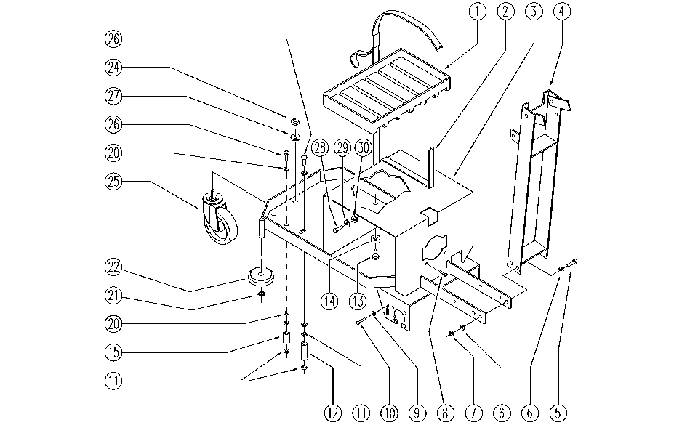

REF. | CODE | DESCRIPTION | QT
1 | SL17287 | PLATE | 2
2 | E86663 | Battery Strap for AS28 | 2
3 | SL09642 | FRAME | 1
4 | SL09933 | STEERING COLUMN | 1
5 | E89194 | Screw | 4
6 | E86726 | Washer | 8
7 | E86853 | Nyloc Hex Nut, M8 Zinc | 4
8 | SL04222 | SCREW | 2
9 | E88229 | Washer | 1
10 | SL04148 | SCREW | 1
11 | E86462 | AS20 Nut | 4
12 | SL07238 | BEARING | 1
13 | SL14148 | BRACKET / CLASP | 1
14 | SL03104 | RUBBER SHIM | 1
15 | SL07237 | BEARING | 1
20 | E88091 | Washer Watchman 24 | 4
21 | E89408 | Stop Ring | 3
22 | E86451 | AS20 Wheel | 2
24 | E86853 | Nyloc Hex Nut, M8 Zinc | 1
25 | E86624 | Pivoting Wheel | 1
26 | SL04236 | SCREW | 2
27 | SL06089 | WASHER | 1
28 | SL04083 | SCREW | 1
29 | E86702 | Cham Washer D8 | 1
30 | SL06053 | WASHER | 1

